monthly avarage INF en
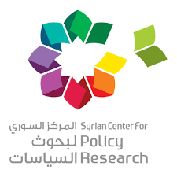

Syrian Center for Policy Research
Link: https://www.scpr-syria.org/syria-statistics/
The Syrian Center for Policy Research’s Consumer Price Index in Syria
Indicator: Average monthly inflation in Syria by governorate during 2021 and the first half of 2022
Last Updated: 31/12/2022
Frequency: monthly average of the year
Unit: percent

governarate / month | 2021 | The first half of 2022
Damascus | 6.70% | 7.02%
Aleppo | 4.66% | 5.60%
Rural damascus | 5.38% | 5.13%
Homs | 5.78% | 3.73%
Hama | 5.27% | 6.23%
Latakia | 5.92% | 5.29%
Idlib | 3.86% | 5.00%
Al-Hasakah | 4.66% | 5.20%
Deir ez-Zor | 4.95% | 5.35%
Tartus | 5.31% | 3.52%
Ar-Raqqah | 5.53% | 3.71%
Daraa | 5.62% | 6.01%
As-Suwayda | 5.44% | 4.56%
Quneitra | 5.53% | 5.01%
Syria | 5.31% | 5.33%
Source: SCPR 2022, Monthly Survey of Consumer Prices in Syria

